Instructions
 | Please co-operate with us to serve you better and faster by adhering to the below steps. You can see the quicker processing/response gradually once the below instructions are followed.
 | This Excel file may be referred to as Add_Del_Request_Form, Census form, Enrollment form, Request form or any other convention being followed currently.
 | Steps for Addition, Deletion & Error Corrections
 | Step 1: | Fill the standard Request Form correctly as per the instruction given.

 | Step 2: | Supporting Document file names should contain the below key words mandatorily to identify easily.

 | Supporting Document | Key word to be present in doc name
 | For Stamped visa/ E-visa/ Change Status/ Cancellation Visa | VISA
 | For Passport | Passport
 | For Photo (< 2 MB for NAS) | Photo
 | For EID Card (both side required) / EID Application | EID
 | For Health Declaration Form/MAF | HD Form
 | For Electronic Labour Card | Labour Card | Screenshot 6
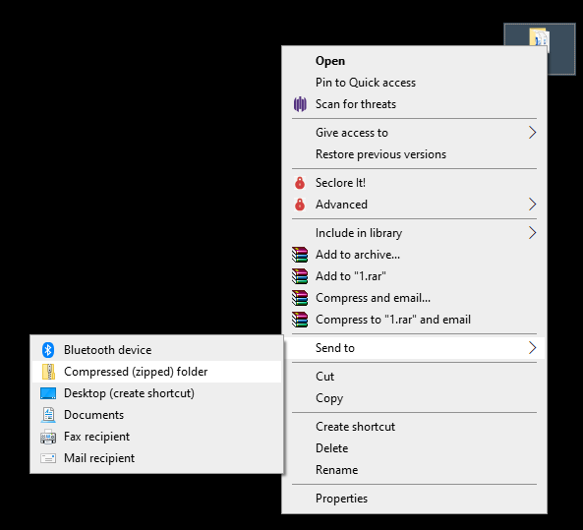
 | For Existing E-health card of the Member | Health Card
 | For Principal Card | Principal Card
 | For Cut Card copy during Deletions | Cut Card
 | For Birth Certificate of New Born in UAE | Birth Certificate
 | For Marriage Certificate | Marriage Certificate
 | For COC (Certificate of Continuity) or Old Insurance Health card from previous employer / Insurer. | COC
 | For any HR Letters/Declarations, etc | HR Letter
 | For Salary Increment Letter | Salary
 | For Promotion Letter | Promotion

 | Step 3: | Keep the above supporting docs in separate folders (1 folder per member) and as per SR column in form Please avoid putting multiple supporting docs in a single pdf.

 | Step 4: | Convert the folders into .ZIP Folders. Please note .ZIP folder names shall match with SR in the Request form.

 | Step 5: | Mail this Request Form along with the one or more .ZIP folders containing supporting to Additions or Deletions mail boxes respectively.

 |  | Suggested E-mail Subject line format : Addition_DD-MM-YYYY (Mail Date)_Your custom words for mails sent to Additions mail boxes Deletion_DD-MM-YYYY (Mail Date)_Your custom words for mails sent to Deletions mail boxes
 |  | The Mail Date i.e. Request Initiated date will help us track the TAT effectively.

 | General Instructions
 | Please refer to the TPA Active members list already provided to you for details like Policy No, Policy Name, Sub-Group name, Category, for Deleting member, Error Corrections etc.
 | It will give us accurate details and enable us to process the request faster.
 | Ensure the quality of the supporting documents is good. Please check the size of the supporting before sending. It is suggested not to send huge file sized supportings.
 | Kindly send a "New Mail" for a "New Request". DO NOT send a new request in the old mail chain.
 | All the details and supporting are mandatory as per the Legal rules & regulations.
 | Please provide your feedback and seek support if required.
 | This Request form/Instructions/conditions may be revised from time to time for improve user-interface and as per the DHA/HAAD rules & regulations.
 | Please note that Request may not be processed solely based on the Supporting docs without the Request form. This Request/Census/Enrolment form is only treated as the Proof of Request and the information present in this request form will be entered into TPA Systems after verifying with supporting documents.
 | If single mail for multiple members can't be sent due to size restrictions, send 2 or more mail requests accordingly.

Process | Supporting Documents required
Additions | Visa, Passport & EID are common mandatory requirements. Photo is optional for now. HD Form is required for Over Aged members, Over aged children, Late Additions & Members with health conditions. COC (Old Health card) for Late additions with Visa still pending. Electronic Labour Card if sponsor name not changed in VISA Yet. Provide the Principal Card copy also for adding dependants in cases like New Born in UAE where only Birth Certificate is available.
Deletions | Cut Card, VISA Cancellation. HR Letter as and when necessary. For Dubai Visa holders, 30 days Grace period will be added to the Deletion Effective/Request received date as per the rules. If it exceeds Policy expiry date after grace days, Policy Expiry date will be considered as Deletion date.
Error Corrections | Respective proof for the same like EID Card, Visa, Passport, etc
Marital Status | Marriage certificate
Category Change | HR Letter (Salary Change/Promotion Letter) and HD Form for Category Upgrade.
Sub-Group Change | Visa/Labour card containing the new sponsor / new sub-group name

